Verapamil Human 5uM
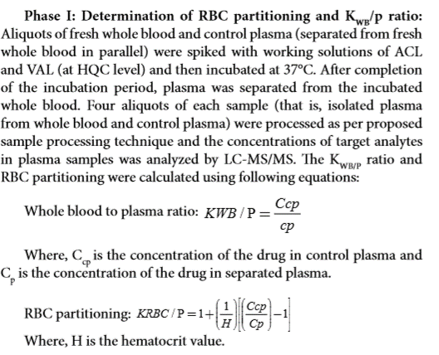
Human Data :

SampleName | DataPathName | SamplePosition | SampleType | LevelName | AcqTime | CompoundName | ExpectedConcentration | ISTD RetentionTime | Transition | Accuracy | Area | Dilution | ISTD Area | ISTDResponseRatio | RetentionTime | Conc. | ManuallyIntegrated | AcqMethodFileName
Verapamil_Human_Ref Plasma__1_____XP1-A10_Inj EPA_121420_12 |  |  |  |  |  | Verapamil | N/A | 0.92 | 455.2 / 150.0 | N/A | 282,225.00 | 1.00 | 50,776.00 | 5.56 | 0.95
Verapamil_Human_Ref Plasma__2_____XP1-B10_Inj EPA_121420_13 |  |  |  |  |  | Verapamil | N/A | 0.92 | 455.2 / 150.0 | N/A | 227,287.00 | 1.00 | 50,435.00 | 4.51 | 0.94
Verapamil_Human_Ref Plasma__3_____XP1-A6_Inj EPA_121420_14 |  |  |  |  |  | Verapamil | N/A | 0.92 | 455.2 / 150.0 | N/A | 258,550.00 | 1.00 | 46,894.00 | 5.51 | 0.94
Verapamil_Human_Ref Plasma__4_____XP1F15_Inj EPA_121420_15 |  |  |  |  |  | Verapamil | N/A | 0.92 | 455.2 / 150.0 | N/A | 224,436.00 | 1.00 | 47,348.00 | 4.74 | 0.94
Verapamil_Human_Plasma__1_____XP1-A10_Inj EPA_121420_7 |  |  |  |  |  | Verapamil | N/A | 0.92 | 455.2 / 150.0 | N/A | 478,218.00 | 1.00 | 56,578.00 | 8.45 | 0.94
Verapamil_Human_Plasma__2_____XP1-B10_Inj EPA_121420_8 |  |  |  |  |  | Verapamil | N/A | 0.92 | 455.2 / 150.0 | N/A | 237,112.00 | 1.00 | 51,073.00 | 4.64 | 0.94
Verapamil_Human_Plasma__3_____XP1-A6_Inj EPA_121420_9 |  |  |  |  |  | Verapamil | N/A | 0.92 | 455.2 / 150.0 | N/A | 330,289.00 | 1.00 | 51,059.00 | 6.47 | 0.94
Verapamil_Human_Plasma__4_____XP1F15_Inj EPA_121420_10 |  |  |  |  |  | Verapamil | N/A | 0.92 | 455.2 / 150.0 | N/A | 396,542.00 | 1.00 | 51,477.00 | 7.70 | 0.94
BLANK_Human___1_____X_Inj EPA_121420_3 |  |  |  |  |  | Verapamil | N/A | 0.92 | 455.2 / 150.0 | N/A | - | 1.00 | 60,036.00 | -
BLANK_Human___2_____X_Inj EPA_121420_4 |  |  |  |  |  | Verapamil | N/A | 0.92 | 455.2 / 150.0 | N/A | - | 1.00 | 60,036.00 | -

SampleName | Area | ISTD Area | ISTDResponseRatio | Blanked | Cb/Cp Ratio | Kp, Partition ratio
Verapamil_Human_Ref Plasma__1_____XP1-A10_Inj EPA_121420_12 | 282,225 | 50,776 | 5.558 | 5.558 | 0.60 | 0.15
Verapamil_Human_Ref Plasma__2_____XP1-B10_Inj EPA_121420_13 | 227,287 | 50,435 | 4.507 | 4.507 | 1.09 | 1.20
Verapamil_Human_Ref Plasma__3_____XP1-A6_Inj EPA_121420_14 | 258,550 | 46,894 | 5.513 | 5.513 | 0.79 | 0.54
Verapamil_Human_Ref Plasma__4_____XP1F15_Inj EPA_121420_15 | 224,436 | 47,348 | 4.740 | 4.740 | 0.66 | 0.28
Verapamil_Human_Plasma__1_____XP1-A10_Inj EPA_121420_7 | 478,218 | 56,578 | 8.452 | 8.452 | average | average
Verapamil_Human_Plasma__2_____XP1-B10_Inj EPA_121420_8 | 237,112 | 51,073 | 4.643 | 4.643 | 0.78 | 0.54 |  | If Kp is negative, convert to zero when calculating average
Verapamil_Human_Plasma__3_____XP1-A6_Inj EPA_121420_9 | 330,289 | 51,059 | 6.469 | 6.469
Verapamil_Human_Plasma__4_____XP1F15_Inj EPA_121420_10 | 396,542 | 51,477 | 7.703 | 7.703 | HCT | 0.47 |  | Make sure HCT level is correct for each species
BLANK_Human___1_____X_Inj EPA_121420_3 | - | 60,036 | -
BLANK_Human___2_____X_Inj EPA_121420_4 | - | 60,036 | - | 0.000

